Sheet1
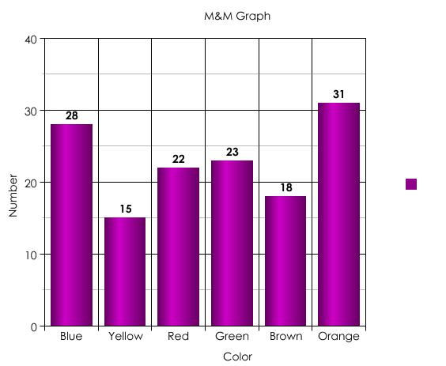
Red | Blue | Green | Orange | Brown | Yellow
4 | 3 | 2 | 7 | 2 | 0

